INSTRUCTIONS
 | Click "File"
 |  | 1 | c
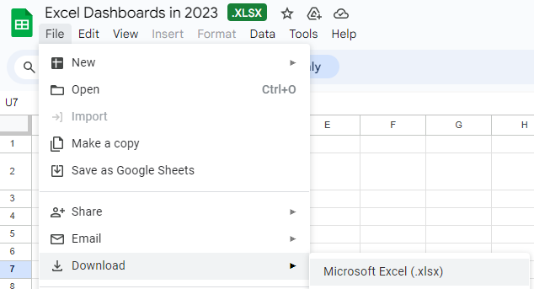

then Choose "Download"
to Microsoft Excel

OVERVIEW
Slicers add filter per month
Excel Dashboard

$126,209.00
$103,634.39

Sales
Numbers of customers
 | 84%
 | 16%
Profit
 | 82%
 | 18%
 | 88%
 | 12%

1270


Slicers add filter per region here

Sales per Month
 | Sum of Sales | Sum of Target Sales
Jan | 2500 | 2857.1428571
Feb | 4000 | 1428.5714286
Mar | 8571.4285714 | 1428.5714286
Apr | 7857.1428571 | 5714.2857143
May | 11428.571429 | 2857.1428571
Jun | 14285.714286 | 857.14285714
Jul | 18562.957143 | 714.28571429
Aug | 18571.428571 | 714.28571429
Sep | 17857.142857 | 285.71428571
Customers per Month
Total Profit per Region
 | Total
Los Angeles | 126209
 | Total
Jan | 15
Feb | 15
Mar | 40
Apr | 100
May | 100
Jun | 230
Jul | 260
Aug | 240
Sep | 270

Slicers add filter per quarter here

Pivot Tables
Values |  |  | Headers | Row Labels | Sales | Target Sales | Row Labels | Sum of Customers | Row Labels | Sum of Profit
Sum of Sales | 754,941 | Sales | $754,941 | Jan-23 | 30,000 | 20,000 | Jan-23 | 300 | Argentina | 126,081
Sum of Profit | 891,111 | Profit | $891,111 | Feb-23 | 45,000 | 10,000 | Feb-23 | 310 | Brazil | 129,875
Sum of Customers | 9,360 | Customers | 9,360 | Mar-23 | 60,000 | 10,000 | Mar-23 | 300 | Chicaco | 126,793
 |  |  |  | Apr-23 | 55,000 | 40,000 | Apr-23 | 700 | Chile | 128,833
 |  |  |  | May-23 | 80,000 | 20,000 | May-23 | 650 | Columbia | 125,980
Average of Sales Completion Rate |  | Sales Completion | 86% | Jun-23 | 100,000 | 6,000 | Jun-23 | 1,600 | Los Angeles | 126,209
86% |  | Sales Incompletion | 14% | Jul-23 | 129,941 | 5,000 | Jul-23 | 1,800 | Peru | 127,340
 |  |  |  | Aug-23 | 130,000 | 5,000 | Aug-23 | 1,700 | Grand Total | 891,111
Average of Profit Completion Rate |  | Profit Completion | 85% | Sep-23 | 125,000 | 2,000 | Sep-23 | 2,000
85% |  | Profit Incompletion | 15% | Grand Total | 754,941 | 118,000 | Grand Total | 9,360

Average of Customer Completion Rate |  | Customer Completion | 84%
84% |  | Customer Incompletion | 16%

